CALULATOR
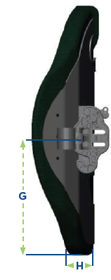
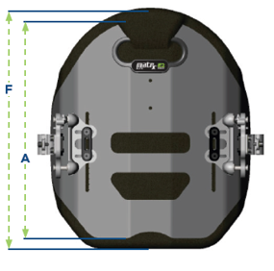
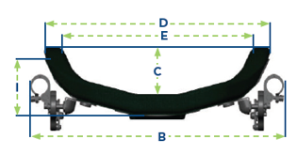



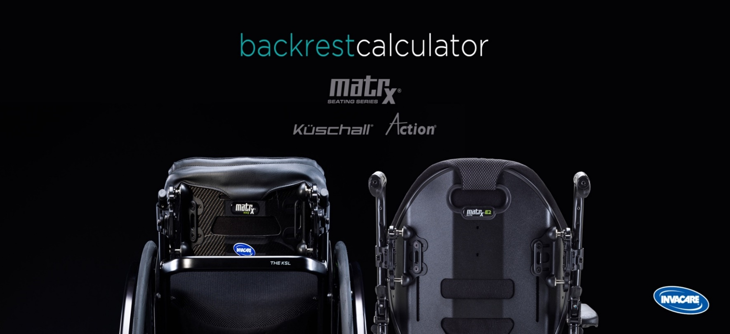

 | wheelchair configuration:
 |  |  | options codes:
 | wheelchair type * | ACTION 4 NG
 | seat width (sw) * | 455 mm | CKA0150

 | backrest choice:

 | backrest material * | Aluminium | CKA0329 | ELITE DEEP E2 HEIGHT 260 mm
 | contour depth (C) * | 165 mm
 | bust height (A) * | 260 mm
 | bust width (E) * | 390 mm | CKA0361

 | *Please select all the above options (starting with Wheelchair type)

